Research Tax Credits
Research Tax Credits |  |  | Auditmetrics Research Tax Credit Estimation* |  |  |  |  |  |  |  | Std. Error Estimation Based on Random Sample
 |  |  | Sample |  |  |  | Audit Results |  |  | IRS Relative Precision & Sliding Confidence Interval
Strata | Pop.Total Value | Pop. Freq. | Sample Mean | Sample Std. Dev. | Sample Total Value | Sample Size | Amount Credits | Credits Ratio | Ratio Estimated Credits |  | *Population Total Variance
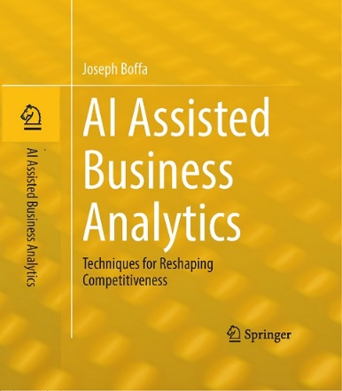
 |  |  |  |  |  |  |  |  |  | Sample Estimated Total Credits | Variance of Total
0 -49.99 | $192,150 | 10,101 | $16.31 | $9.00 | $766 | 47 | $0.00 | 0.000 | $0 | $0 | $175,021,102
50-174.99 | $529,492 | 5,776 | $95.90 | $35.36 | $4,699 | 49 | $0.00 | 0.000 | $0 | $0 | $843,912,765
175-399.99 | $727,690 | 2,813 | $255.43 | $100.94 | $13,538 | 53 | $0.00 | 0.000 | $0 | $0 | $1,492,475,290
400-824.99 | $885,532 | 1,614 | $557.72 | $116.23 | $34,021 | 61 | $340.21 | 0.010 | $8,855 | $8,855 | $555,142,416
825-1600 | $982,161 | 888 | $1,100.83 | $362.74 | $85,865 | 78 | $11,717.30 | 0.136 | $134,028 | $134,028 | $1,213,356,064
> 1600 (Detail) | $870,549 | 463 | $1,880.24 | $0.00 | $870,549 | 463 | $26,116.47 | 0.030 | $26,116 | $26,116
Total (Excluding Detail) | $3,317,026 |  |  |  | $138,889 | 288 |  |  | $142,883 | Sample Estimated Credits | $169,000
Total (Including Detail) | $4,187,575 |  |  |  | $1,009,438 | 751 |  |  | $169,000 | Variance( st2) | $4,279,907,637
 |  |  |  |  |  | Sample Based Rate= | 0.043 |  |  | Std. Dev. (st) | $65,421
 |  |  |  |  |  | Overall Rate= | 0.040 |  |  | Std. Err. (st/√n) | $3,855
Ratio Estimated Credits: |  | $142,883 |  | Detail Credits: | $26,116 |  |  |  |  | 95% CI Boundary | $6,361
 |  |  |  |  |  |  |  |  |  |  |  |  | Page 119 IRS Directive- Springer Book
 |  |  |  |  |  |  |  |  |  |  |  |  | Springer Book Link (Hardbound Print Version)
WORK AREA: | Estimated Total Credits--> |  | $169,000 | detail + estimate |  |  |  |  |  |  | Credits CI | Relative Precision | Auditmetrics AI oprerating cashflow projections (OCR):
 |  |  |  |  |  |  |  |  |  | Upper Bound | $175,360 |  | Paperbound book Amazon:
 |  |  |  |  |  |  |  |  |  | Sample Estimate | $169,000 | 3.8%
 |  | *Powered by AuditmetricsAI V6.5 |  |  |  |  |  |  |  | Lower Bound | $162,639

 | Link to Free Small Business/Lerning Version: |  |  |  | https://AuditmetricsAI.com |  |  |  |  |  |  | ! Less than 10% No Taxpayer Haircut

 |  |  |  |  |  |  |  |  |  | *R. L. Scheaffer et. Al., Elementary Survey Sampling, 7th edition, pg. 122
 |  |  |  |  |  |  | `
 |  |  |  |  |  |  |  |  |  |  | Example IRS Relative Precision Scenarios:
 |  |  |  |  |  |  |  |  |  |  |  |  |  |  |  | IRS Sliding Scale Confidence Interval:
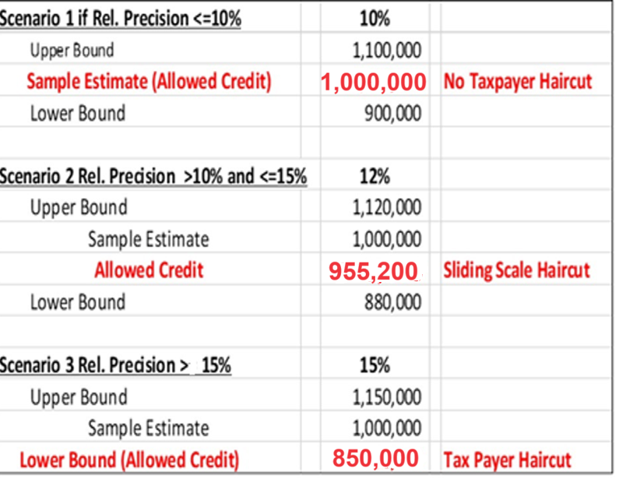
 |  |  |  |  |  |  |  |  |  |  |  |  |  |  | *4.47.3.3.2.1 |  | Estimate = Point Estimate (+ or -) (Relative Precision - .10)/.05 *
 |  |  |  |  |  |  |  |  |  |  |  |  |  |  |  |  |  | (Point Estimate (= or -) Least Advantageous 95% One-Sided Confidence Limit)

 |  |  |  |  |  |  |  |  |  |  |  |  |  | Upper Bound | 1,120,000
 |  |  |  |  |  |  |  |  |  |  |  |  |  |  |  |  | Scenario 2 (Rel. Prec.>10% and <=15%
 |  |  |  |  |  |  |  |  |  |  |  |  |  |  |  |  | Rel. Precsion
 |  |  |  |  |  |  |  |  |  |  |  |  |  | Estimate | 1,000,000 |  | 11% | 977,600
 |  |  |  |  |  |  |  |  |  |  |  |  |  |  |  |  | 12% | 955,200
 |  |  |  |  |  |  |  |  |  |  |  |  |  |  |  |  | 13% | 932,800
 |  |  |  |  |  |  |  |  |  |  |  |  |  | Lower Bound | 888,000 |  | 14% | 910,400
 |  |  |  |  |  |  |  |  |  |  |  |  |  |  |  |  | 15% | 888,000

 |  |  |  |  |  |  |  |  |  |  |  |  |  |  | *IRS 4.47.3 Statistical Sampling Auditing Techniques
 |  |  |  |  |  |  |  |  |  |  |  |  |  |  | Manual Transmissal

 |  |  |  |  |  |  |  |  |  |  |  |  |  | This directive is revised IRM 4.47.3, Computer Audit Specialist, Statistical Sampling Auditing Techniques.

